サンプル製品カタログ
 |  | ITEM
NAME | color |  | lady's or men's | WOVEN or KNIT | picture | Composition | packingNo.
Men's parka SAMPLE CLOTHES | C/#BEIGE | Men's parka SAMPLE CLOTHES | men's | WOVEN FABRIC | 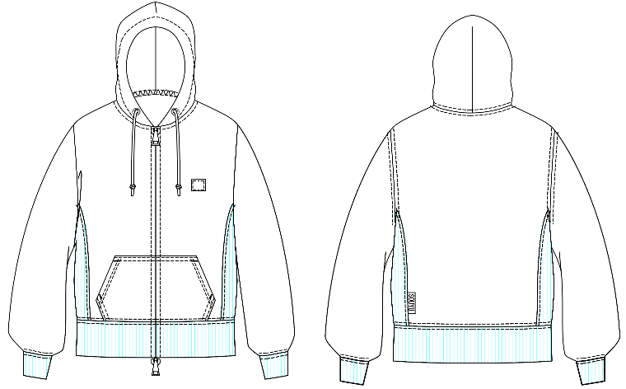 | FRONT POLYESTER100% | 7

